Defect Report
Bug ID | Description | Steps to reproduce | Priority | Severity | Screenshot | Status | Expected result | Actual result | Reported by | Assigned to
Def_001 | Published articles of the signed in user are not displayed in 'Your feed' section. | Click the 'Your feed' section in home page. | High | High |  | Open | Articles of the user should be displayed. | "No articles are here…yet." is shown | Ragavi | A

Def_002 | Article is created without mandatory fields. | Click publish article in editor page without entering any input. | Medium | Low | 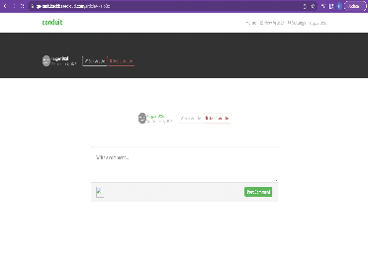 | Open | Article without title and body should not be created. | Blank article is created. | Ragavi | A
Def_003 | Images and tables cannot be copied to the fields. | Article fields does not allow media files. | Medium | Medium |  | Open | Images and other media file content types should be allowed. | Images and tables cannot be copied to the fields. | Ragavi | A

